Instructions
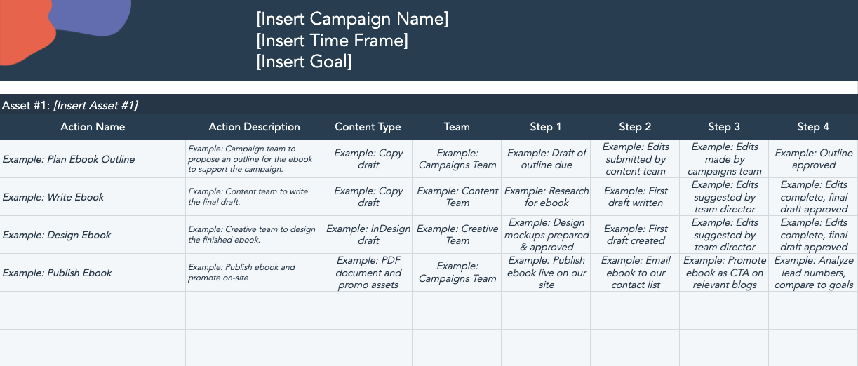
 | How to Use This Template:

 | This template contains a planner for a given year. There are sheets to represent a month, or an individual campaign – and you should utilize the sheets that work best for your business. Each tab contains subsections for goals, content type(s), stakeholders, and timeline. Once this planner is ready, delete this page and share with your colleagues for easy planning and collaboration.

Content Marketing Planning Template

