Home
 |  | How to Use This Template:

 | 1. First, update the Settings and Reports tabs with your preferred content and status types. 2. As you do keyword research, add topic clusters to the list in the Settings tab. 3. Add or delete columns in the Master tab as needed. Some ideas: Add a "Recommended length", "Pages to link to", and/or "Products to mention". 4. Use the Dashboard tab to monitor progress. Recommended add-ons:

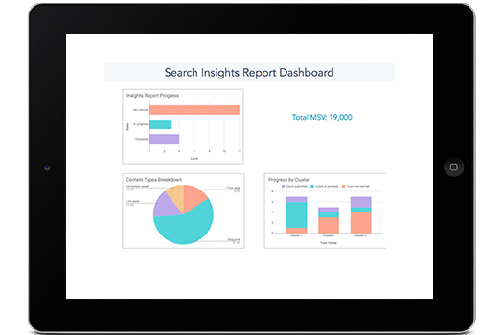
Search Insights Report

Templates

 |  | Recommended Add-Ons

 | Google Analytics:
 | Run GA reports inside your spreadsheet to get URL-level organic traffic data.
 | Search Analytics for Sheets:
 | Run GSC reports inside your spreadsheet to get URL-level clicks, impressions, and average position/CTR data.
 | Google Sheets/Google Docs integration via Zapier:
 | Connect Google Sheets to Google Docs. If your content creators use Google Docs, create a draft in Docs for each spreadsheet row.

Dashboard
Search Insights Report Dashboard

Insights Report Progress
 | Count
Not started | 12
In progress | 3
Published | 4
 | Total MSV: 19,000

Content Types Breakdown
 | Count
Pillar page | 3
Blog post | 11
Link asset | 3
Conversion asset | 2
Progress by Cluster
 | Count not started | Count in progress | Count published
Cluster 1 | 1 | 5 | 1
Cluster 2 | 3 | 1 | 1
Cluster 3 | 4 | 1 | 2

